YCF50A
BIKE CODE FOR ORDERS: 23-50A-STD |  | 2023-01-01 | BIKE DESCRIPTION NAME: YCF 50A 2023

50A = YCF50A
50E = YCF50E
W88E = START W88E
L88 = LITE88 L125 = LITE125
S88S = START F88S
S125S = START F125S
S125SE = START F125SE
S125 = STARTF125
P88 = PILOT 88
P125 = PILOT 125
P150 = PILOT 150
SM125 = START SM125S
SM150 = PILOT SM 150
SP1 = FACTORY SP1
SP2 = FACTORY SP2
SP3 = FACTORY SP3
B125 = BIGY 125MX
B150 = BIGY 150MX
BF150 = BIGY F150MX
BFD190 = BIGY FD190 MX
BFZ190 = BIGY ZE190 MX
S147 = SUNDAY 150
S187 = SUNDAY 190
Handle bar assembly
 |  | 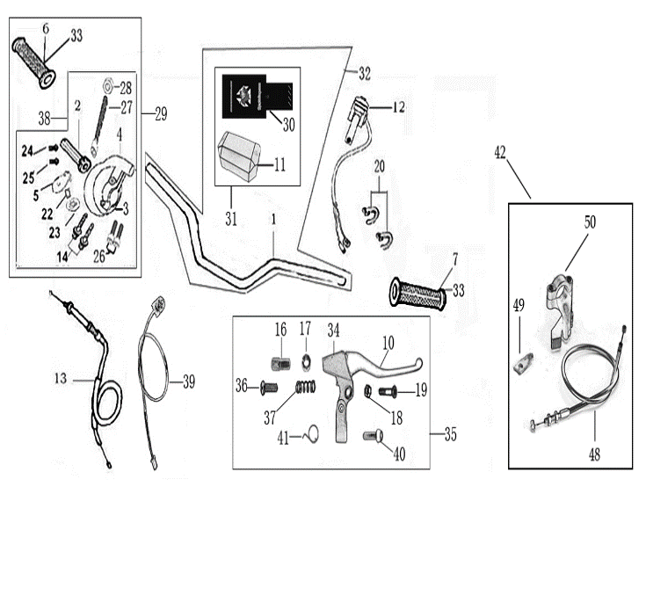
N° | Ref. | Description | Français | Picture | Qty/Bike | Model
32 | YC110-0132-04 | Handle Bar chromoly (with bar pad and pvc) YCF50 2018 | Guidon chromoly complet avec mousse et pvc YCF50 2018 |  | 1 | 50A22/50E22
31 | YC50-0131-01 | Complete Bar Pad for Handlebar without Bar L=126mm YCF50BLACK/WHITE | Mousse guidon complete pour guidon Aluminium sans Barre YCF50 L=126mm NOIR |  | 1 | 50A1822/50E1822
 | YC110-0153-01 | Handle bar plastic cap,Nylon,Black | Embout plastique de guidon,nylon,noir |  | 1 | ALL BIKES 2022
 | YC110-0138-04 | YCF complete Throttle Assy. 2020 with YCF grip + Screw 2020 | Poignee gaz reglable complete YCF 2020 avec Paire de poignée caoutchouc YCF GRIS 2020 + vis reglage |  | 1 | 50A22/S88se20/L8822/L12520/S12520/S125se20/P12520/P15020/SM125s20/B12520/B15022
24 | GB819-M4x12 | Countersunk cross head machine screw,stainless steel, M4x12mm | Vis à tête fraisée plate cruciforme,Acier inoxydable, M4x12mm |  | 1 | ALL BIKES 1222
24 | GB819-M4x20 | Countersunk cross head machine screw,stainless steel, M4x20mm | Vis à tête fraisée plate cruciforme,Acier inoxydable, M4x20mm |  | 1 | ALL BIKES 1222
25 | YC110-01022-06 | Complete SCREW FOR THROTTLE ADJUSTMENT, SIZE M5X50 | VIS M5X50 POUR RÉGLAGE DE LA POIGNÉE DE GAZ complete |  | 1 | 50A22/S88se20/L8822/L12520/S12520/S125se20/P12520/P15020/SM12520/B12520/B15022
33 | PPC011-GY | YCF set of grip GREY 2020 | Paire de poignée caoutchouc YCF GRISE 2020 |  | 1 | ALL BIKES 22
12 | YC110-0105-15 | Kill Switch ON/OFF L=580mm Waterproof | Coupe circuit on off L=580mm ETANCHE |  | 1 | ALL BIKES 1222
13 | YC110-0106-14 | Throttle Cable L=580mm A+B=130mm 2020 | Cable gaz L=580mm A+B=130mm 2020 |  | 1 | 50A22
 | YC110-0143-01 | RUBBER ON THROTTLE CABLE | Protection caoutchouc cable de gas |  | 1 | ALL BIKES 1722
39 | YC110-0139-03 | Start switch Waterproof L=500mm | Bouton demareur ETANCHE L=500mm |  | 1 | 50A22/S88SE1720/S125SE1720/BFZ2201822
42 | YC50-0142-01 | choke lever L=440mm A+B=50mm | Starter au Guidon Complet L=440mm A+B=50mm |  | 1 | 50A1622
20 | YC110-01-03-BK | Cable tie,nylon, L=150mm BLACK | collier maintien cable, nylon, L=150mm NOIR |  | 2 | ALL BIKES 1222

Steering stem assembly

N° | Ref. | Description | Français | Picture | Qty/Bike | Model
25 | YC50-0227-03-GY | Complete Triple Clamp YCF50 L=135mm 2020 GREY | Te Fourche Complet YCF50 L=135mm 2020 GRIS |  | 1 | 50A2022/50E2022
1 | YC50-0200-02 | Steering stem L=195mm | tige colonne direction L=195mm |  | 1 | 50A2022/50E2022
2 | YC50-0202-06-GY | Lower triple clamp YCF50 L=135mm d35mm H=18mm 2020 GREY | té fourche inferieur YCF50 L=135mm d35mm H=18mm GRIS 2020 |  | 1 | 50A2022/50E2022
3 | YC50-0201-06-GY | Top Triple Clamp YCF50 L=135mm d35mm H=15mm 2022 GREY | té fourche supérieur YCF50 L=135mm d35mm H=15mm 2022 GRIS |  | 1 | 50A2022/50E2022
26 | YC50-0228-01 | YCF50 Set of Bar mount not adjustable d22.2mm/bottom H=51.5mm(with BT08-M8x25-W 4EA GB70-M10x25x1.5W 2EA) 2020 | Jeu pontet guidon YCF50 non ajustable d22.2mm / pontet bas H=51.5mm (avec BT08-M8x25-W 4EA GB70-M10x25x1.5W 2EA)2020 |  | 1 | 50A2022/50E2022
4 | YC50-0203-03 | YCF50 Lower Bar Mount CNC 2020 H=36mm 孔径d22.2mmBLACK | Pontet guidon inférieur YCF50 2020 H=36mm 孔径d22.2mm NOIR |  | 2 | 50A2022/50E2022
5 | YC110-0201-02 | 2020 Top Bar Mout CNC d22.2 mm H=18mm START Type BLACK | pontet guidon supérieur 2020 d22.2mm H=18mm Type START NOIR |  | 2 | 50A22/50E22/W88E22/L8822/L12522/S88SE22/S12522/S125SE22/P12522/P15022/SM12522/SM15022/SP2/B12522/B15022/BFZ22022
16 | BT08-M6x25-W | HEXAGON Torx screw with Flange M6x25mm | Vis HEXAGONALE Torx avec Flange M6x25mm |  | 3 | ALL BIKES2022
17 | BT08-M8x30-W | HEXAGON Torx screw with Flange M8x30mm | Vis HEXAGONALE Torx avec Flange M8x30mm |  | 4 | ALL BIKES2022
14 | GB70-M10x25x1.5W | HEXAGON SOCKET Head Bolt M10x25mmx1.5mm | Vis Allen (BTR) M10x25mmx1.5mm |  | 2 | 50A1422/50E1622
6 | YC50-0212-03-BK | YCF50 Front Number Plate Blue 2020 | Plaque avant YCF50 Bleu 2020 |  | 1 | 50A2021/50E2021
18 | FB13-7x10x22-W | Front Number plate spacer (Top) d7mmxd10mmx22mm | entretoise Plaque numero avant (Haut) d7mmxd10mmx22mm |  | 1 | 50A1222/50E1622
31 | BT08-M6x30-W | HEXAGON Torx screw with Flange M6x30mm | Vis HEXAGONALE Torx avec Flange M6x30mm |  | 1 | ALL BIKES 2022
 | GB97-d6-W | flat washer d6mm | rondelle d6mm |  | 1 | ALL BIKES 2012-2022
27 | KRDIRECTION46 | set of bearing for steering 46/23.5、46/22 | Kit rlt colonne direction 46/23.5、46/22 |  | 1 | 50A22/50E22/W88E22/S88SE20/L8822/L12522/125S1522/S125SE1522/P1251322/P1501322/SM1251322/SM1501322/SP11122/SP22022/SP31222/B1251722/B1501720/BF1501720/BFD2201720/BFZ2201720/S1471820/S1871820
9 | YC110-02-09 | Top nut for steering d54.5mm | écrou crantellé colonne direction d54.5mm |  | 1 | ALL BIKES 1222
10 | YC110-02-10 | Washer for steering stem nut d22.5mmxd37mmx0.7mm | joint colonne direction d22.5mmxd37mmx0.7mm |  | 2 | ALL BIKES 1222
11 | YC110-02-11 | Nut for steering stem M22 | écrou supérieur colnne direction M22 |  | 1 | ALL BIKES 1222
13 | YC110-0224-01-WH | Complete Break Line Retainer White（with GB9074.5-M4x10-W 1EA ） | guide durite sur plaque avant complet Blanc |  | 1 | 50A22/50E22/W88E22/S88SE22/L8822/L1251622/S125SE1522/P1251422/P1501422/SM1251422/SM1501422/SP11422/SP22422/SP31422/B1251722/B1501722/BF1501722/BFD2201720/BFZ2201720
 | GB97-d4-W | flat washer d4mm for Break Line Retainer front No plate | rondelle d4mm pour guide durite plaque No avant |  | 1 | ALL BIKES 1222
22 | GB818-M4x10-W | Pan / Round head cross machine screw M4x10mm | Vis à tête ronde cruciforme M4x10mm |  | 1 | ALL BIKES 1222
 | YC110-0213-12 | Front plastic plate to hold cables 75mmx80mm | Plaque avant plastique maintien cables 75mmx80mm |  | 1 | ALL BIKES23
30 | YC110-0213-0401 | Number plate bracket long TOP BLACK 2020 | Support plaque avant NOIR 2020 |  | 1 | 50A23/50E23
20 | GBT5787-M6x16-3 | HEXAGON screw with Flange with half thread M6x16mmx3mm | Vis HEXAGONALE avec Flange et deport M6x16mmx3mm |  | 1 | ALL BIKES 1622
 | YC110-01-08-BK | Cable tie tie ADJUSTABLE BLACK for Front plastic plate to hold cables | Collier maintien cable AJUSTABLE NOIR pour plaque avant plastique |  | 2 | ALL BIKES22
 | YC110-02-20 | Washer for steering stem nut d22mm (top)/d24mm (bottom)-d47mm | Joint pour colonne direction d22mm (haut)/d24mm (bas) -d47mm |  | 1 | S1251422/S125S1422/S125SE1422/P1251422/P1501422/SM1251422/SM1501422/SP11422/SP22422/SP31422/B1251722/B1501722/BF1501722/BFD1901722/BFZ1901822/S1471822/S1871822/S88SE22

Front Fender

N° | Ref. | Description | Français | Picture | Qty/Bike | Model
1 | YC50-031-01-YE | Front Fender YCF50 2020 Yellow | Gb avant YCF50 2020 JAUNE |  | 1 | 50A21/50E21/L8821
3 | GBT5787-M6x16-6 | Hex. Bolt with flanged M6x16mm (spacer 6mm) | vis M6x16mm (deport 6mm) |  | 3 | 50A22/50E22/W88E1822/S88SE1822/L8822/L12522/S12522/S125SE1822/P1251822/P1501822/SM1251822/SM1501822/SP22822/SP31822/B1251822/B1501822/BF1501722/BFD22017820/BFZ2201822
4 | GBT5787-M6x16-3 | HEXAGON screw with Flange with half thread M6x16mmx3mm | Vis HEXAGONALE avec Flange et deport M6x16mmx3mm |  | 2 | 50A22/50E22/W88E1822/S88SE1822/L8822/L12522/S12522/S125SE1822/P1251822/P1501822/SM1251822/SM1501822/SP22822/SP31822/B1251822/B1501822/BF1501722/BFD22017820/BFZ2201822

Front & Rear absorber

N° | Ref. | Description | Français | Picture | Qty/Bike | Model
24 | YC50-0400-03 | YCF50 Pair of fork L=530mm d35 (not adjustable) MAGNESIUM | Jeu de fourche YCF50 (non ajustable) L=530mm d35 MAGNESIUM |  | 1 | 50A1422/50E1622
1 | YC50-0401-04 | Front right fork L=530mm (not adjustable) MAGNESIUM | tube fourche droit (non ajustable)L=530mm MAGNESIUM |  | 1 | 50A1322/50E1622
2 | YC50-0402-04 | Front left fork L=530mm (not adjustable) MAGNESIUM | tube fourche gauche (non ajustable) L=530mm MAGNESIUM |  | 1 | 50A1322/50E1622
4 | YC50-0404-03 | YCF50 Shock absorber L=200mm YELLOW | Amortisseur YCF50 L=200mm JAUNE |  | 1 | 50A1422/50E1622
16 | YC50-0410-02 | shock top spacer 50CC d10mmxd22mmx22.5mm | Silent Block haut amortisseur 50CC d10mmxd22mmx22.5mm |  | 1 | 50A1422/50E1622
16 | YC50-0411-03 | shock absorber bottom spacer 50CC d10mmxd20mmxd26x11mm | Entretoise basse amortisseur YCF50 d10mmxd20mmxd26mmx11mm |  | 2 | 50A1422/50E1622
8 | GB5787-M10x45 | Hex.bolt for shock absorber top and botom M10x45mm | Vis M10x45mm pour fixation amortisseur haut et bas |  | 2 | 50A1422/50E1622
10 | GB6187-M10-W | Self-locking Nut M10 for shock absorber fixation screw | Ecrou M10 pour vis fixation amortisseur |  | 2 | 50A1422/50E1622
18 | YC50-0418-02-WH | YCF50 set of fork protection WHITE 2021 | Jeu protection fourche YCF50 BLANC 2021 |  | 1 | 50A22/50E22
12 | GB70.2-M5x10 | Pan head hexagon screw M5x10mm | Vis à tête ronde Allen (BTR) M5x10mm |  | 4 | 50A1222/50E1622
 | GB97-d5-W | flat washer d5mmxd10mmx1mm | rondelle d5mmxd10mmx1mm |  | 4 | 50A1222/50E1622
 | YC110-0403-05 | Complete Oil steel line retainer on left front fork | Passe durite complet sur protection fourche gauche |  | 1 | W88E22/F88L22/F88se22/F125L22/F125se22/F125s22/P1251622/P1501622/SP1617/SP229/SP322/SM1501622/BIGY1722
...
N° | Ref. | Description | Français | Picture | Qty/Bike | Model
4 | YC110-0702-01 | YCF Tank cap plastic Ventilator d3mm | Bouchon reservoir plastique YCFd3mm |  | 1 | ALL BIKES 1120
15 | YC110-0720-02 | Rubber mat for tank cap plastic d14mmxd52mmx2mm Oil proof | Caoutchouc bouchon reservoir YCF d14mmxd52mmx2mm |  | 1 | ALL BIKES 1322
10 | BT08-M8x30-W | HEXAGON Torx screw with Flange M8x30mm | Vis HEXAGONALE Torx avec Flange M8x30mm |  | 2 | ALL BIKES 22
 | GB97-d8-2W | Flat washer d8mmxd20mmx2mm for gas tank fixation (front/rear) | rondelle d8mmxd20mmx2mm pour fixation reservoir (avant/arriere) |  | 2 | ALL BIKES 22
5 | YC125-0704-BK | Fuel tank valve BLACK | Valve prise air NOIR |  | 1 | ALL BIKES
8 | YC110-0703 | Fuel cock assy. | robinet essence |  | 1 | ALL BIKES
9 | GB5787-M6x16-W | HEXAGON Torx screw with Flange M6x16mm | Vis HEXAGONALE Torx avec Flange M6x16mm |  | 2 | ALL BIKES 22
11 | YC110-0706 | fuel tank rubber line spring d4.5mmxd8.5mmx210mm | durite reservoir avec ressort d4.5mmxd8.5mmx210mm |  | 1 | ALL BIKES

Air Filter
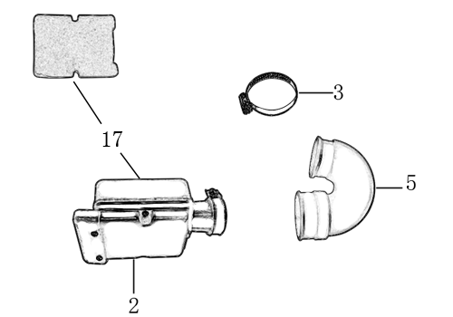
N° | Ref. | Description | Français | Picture | Qty/Bike | Model
1 | YC50-0801 | Complete air box d35mm | Boite a air complete d35mm |  | 1 | 50A22
2 | YC50-0803 | Holding ring d21mm-d44mm | collier FILTRE d21mm-d44mm |  | 1 | 50A22
3 | YC50-0805-01 | YCF50 rubber connexion for air box, 2022 | Manchon boite air YCF50, 2022 |  | 1 | 50A22
4 | YC50-0802 | YCF50 Air filter Foam | Mousse filtre a air YCF50 |  | 1 | 50A22
5 | YC110-0835-02 | YCF50 Air box fixed bracket | Plaque acier maintien boite air YCF50 |  | 1 | 50A1822
1 | YC50-20-31 | Carburetor 50A with main jet 50 | Carburateur 50A GICLEUR 50 |  | 1 | 50A1322
2 | GICLEUR50-02 | main jet 50 | GICLEUR 50 |  | 1 | 50A1322
320 | GICLEUR33 | slow jet 33 | GICLEUR 33 |  | 1 | 50A1322
3 | YC110-01-03-WH | Cable tie L=150mm WHITE | Collier maintien cable L=150mm BLANC |  | 2 | ALL BIKES 1222
4 | BT08-M6x25-W | HEXAGON Torx screw with Flange M6x25mm | Vis HEXAGONALE Torx avec Flange M6x25mm |  | 2 | ALL BIKES 22

Foot Peg assy
 |  | 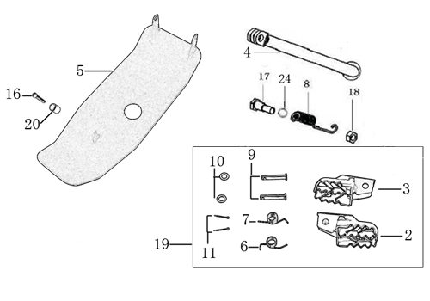
N° | Ref. | Description | Français | Picture | Qty/Bike | Model
1 | YC50-0902/04 | Steel set of foot pegs 50cc Grey 2020 | jeu repose pied acier 50cc Gris 2020 |  | 1 | 50A21/50E21
4 | YC110-09-01 | Spring for right steel foot peg d1.5mmxd16.5mmx10mm | ressort repose pied droit acier d1.5mmxd16.5mmx10mm |  | 1 | 50A1222/50E1622/W88E1822/S88SE1522/L881722/L1251622/S12522/S125S1522/S125SE1522/P1251322/P1501222/SM1251222/SM1501222/B1251722/B1501722
5 | YC110-09-02 | Spring for left steel foot peg d1.5mmxd16.5mmx10mm | ressort repose pied gauche acier d1.5mmxd16.5mmx10mm |  | 1 | 50A1222/50E1622/W88E1822/S88SE1522/L881722/L1251622/S12520/S125S1522/S125SE1522/P1251322/P1501222/SM1251222/SM1501222/B1251722/B1501722
6 | GB882-d8x40-W | shaft pin for steel footpegs d8mmx40mm | axe repose pied acier d8mmx40mm |  | 2 | 50A1322/50E1622/W88E1822/S88SE1522/S88S1316/L881722/L1251622/S125S1322/S125SE1522/S12522/SM1251322
7 | GB97-d8-W | flat washer for shaft pin for steel footpegs d8mmxd16mmx1mm | rondelle pour axe repose pied acier d8mmxd16mmx1mm |  | 2 | ALL BIKES 1122
8 | GB91-d2x25-W | Cotter pin for shaft pin for steel footpegs d2.0mmx25mm | goupille pour axe repose pied acier d2.0mmx25mm |  | 2 | ALL BIKES 1322
9 | YC50-210 | Kick stand L=210mm 2020 | Bequille L=210mm 2020 |  | 1 | 50A22/50E22
10 | FB02-M10x1.5x30I | Stepped screw M10x35mm for kick stand (step 1.5) | vis bequille M10x35mm (pas1.5) |  | 1 | 50A1422/50E1622/W88E1822/S88SE1522/L881722/L1251622/S12522/S125S1422/S125SE1522/P1251422/P1501422/SM1251422/SM1501422/B1251722/B1501722/BF1501722/BFD2201720/BFZ2201822/S1472220/S1871820
11 | GB6170-M10-G | HEXAGON Nut M10 | Ecrou HEXAGONAL M10 |  | 1 | ALL BIKES201422(BUTSP1/SP2/SP3)
12 | GB93-d10-W | Standard spring washer for kick stand d10mm | rondelle pour bequille d10mm |  | 1 | 50A1422/50E1622/W88E1822/S88SE1522/L881722/L1251622/S12522/S125S1422/S125SE1522/P1251422/P1501422/SM1251422/SM1501422/B1251722/B1501722/BF1501722/BFD2201720/BFZ2201822/S1472220/S1871820
13 | YC110-22-01 | spring for kick stand d2.5mmxd15mmx105mm | ressort bequille d2.5mmxd15mmx105mm |  | 1 | 50A1422/50E1622/W88E1822/S88SE1522/L881722/L1251622/S125S1422/S12522/S25SE1522/P1251422/P1501422/SM1251422/SM1501422/B1251722/B1501722/BF1501722/BFD2201720/BFZ2201822/S1472220/S1871820
14 | YC50-204-01 | YCF50 Engine skid plate steel T=2mm MATTE BLACK | sabot acier YCF50 T=2mm NOIR MAT |  | 1 | 50A1322
15 | FB13-9x10x10-W | bushing skid plate d8.5mmxd10mmx10mm | entretoise sabot acier d8.5mmxd10mmx10mm |  | 1 | 50A1322
16 | BT08-M8x20-W | HEXAGON Torx screw with Flange M8x20mm | Vis HEXAGONALE Torx avec Flange M8x20mm |  | 1 | 50A22

Swing Arm assy
 |  | 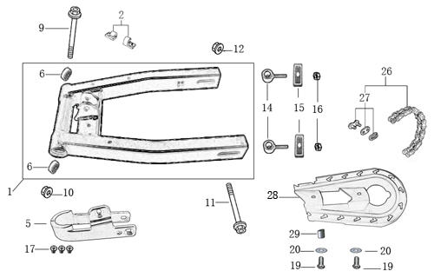
N° | Ref. | Description | Français | Picture | Qty/Bike | Model
1 | YC50-10014-01 | YCF50 Mono swing arm BLACK L=290mm d12mm | Bras oscillant mono YCF50 NOIR L=290mm d12mm |  | 1 | 50A22/50E22
2 | YC110-10-015-BK | Rear brake hose guide 2020 | Passe durite de frein arriere sur bras oscillant 2020 |  | 1 | ALL BIKES 22
17 | DIN7985-M6x16 | Screw M6x16mm | Vis M8x16mm |  | 2 | ALL BIKES 22
5 | YC50-10-01 | YCF Chain slider 50cc | patin chaine YCF 50cc |  | 1 | 50A1222/50E1622
 | GB822-M6x16-W | Screw M6x16mm for chain slider | Vis M8x16mm pour patin de chaine |  | 2 | ALL BIKES 1522
6 | 6001/28-12-08 | Swing arm ball bearing 6001 d12mmxd28mmx8mm | roulement bras oscillant 6001 d12mmxd28mmx8mm |  | 2 | 50A1222/50E1622/W88E1822/L881722/L1251622/S12522/S125SE1522/S88SE1522/SM1251022
9 | YC110-10-034 | Swing arm shaft with self lock nut M12 L=192mm | axe bras oscillant d10 avec ecrou M12 L=192mm |  | 1 | 50A1822/50E1822/W88E22/F88s1322/F88se1522/F125L1622/F1251322/F125s1322/F125se1522/SM125s1322
11 | YC50-11-02 | YCF50 Rear wheel axle M12x215mm with Self locking nut M12 | axe roue arriere YCF50 L=215mm avec ecrou d12mm |  | 1 | 50A1322/50E1622
10 | GB6187-M12-W | HEXAGON FLAT FLANGE LOCK NUT M12 | Ecrou HEXAGONAL avec Flange autobloquant M12 |  | 2 | 50A1222/50E1622
...
N° | Ref. | Description | Français | Picture | Qty/Bike | Model
3 | YC50-0503-06 | REAR Brake lever YCF50A / 50E（left side）2020 | Levier frein arriere pour YCF50A / 50E (côté gauche) 2020 |  | 1 | 50A22/50E22
4 | YC50-1203-04 | YCF50 Rear brake steel line L=1070mm d8mm/d8mm 50A/50E 2020 | Durite frein arriere L=1070mm 50A/50E d8mm/d8mm 2020 |  | 1 | 50A22/50E22
6 | YC50-0506-02 | YCF50 Front / Rear Brake pads 2020 | Jeu plaquette avant / arriere YCF50 2020 |  | 2 | 50A22/50E22
7 | GB70-M5x16 | HEXAGON SOCKET Head Bolt with half thread M5x16mm | Vis Allen (BTR) avec deport M5x16mm |  | 2 | 50A22/50E22
8 | GB8752-M6x28-G | Hex head screw M6x28mm with step d8mmx14mm | Vis M6x28 M6x28mm avec epaulement d8mmx14mm |  | 1 | 50A22/50E22
9 | GB6189-M6-W | HEXAGON NUT M6 | Ecrou Hexagonal M6 |  | 1 | 50A22/50E22
10 | YC50-120101-03 | Rear brake bracket YCF50A/50E (left side) 2020 | Patte fixation étrier frein arriere YCF50A/50E (côté gauche)2020 |  | 1 | 50A22/50E22
14 | YC50-0555-01 | Screw for front brake pads L=28mm Army | Vis plaquette frein avant L=28mm |  | 2 | 50A22/50E22

Exhaust system
 |  | 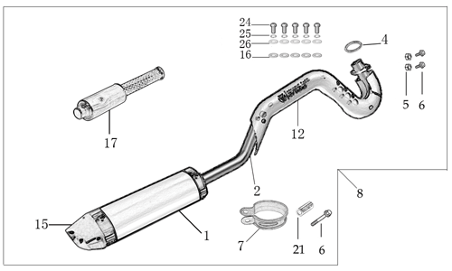 |  | 27
N° | Ref. | Description | Français | Picture | Qty/Bike | Model
8 | YC50-132-03-GY | YCF50 Muffler& Exhaust pipe assy 2020 GREY | Echapement complet YCF50 2020 GRIS |  | 1 | 50A1522
1 | YC50-13016-GY | YCF50 Muffler L=240mm GREY | Silencieux YCF50 GRIS L=240mm |  | 1 | 50A1522
15 | YC50-13-33 | YCF50 Muffler end cap YCF | Embout silencieux YCF50 |  | 1 | 50A1222
 | GB70-M4x16 | HEXAGON SOCKET Head Bolt with half thread M4x16mm | Vis Allen (BTR) avec deport M4x16mm |  | 4 | 50A1222
24 | GB93-d4-W | Standard spring washer d4mm for muffler end cap | rondelle d4mm pour embout silencieux |  | 4 | 50A1222
17 | YC50-13-30 | YCF50 Noise reducer (spark arrestor) | Bride de pot YCF50 |  | 1 | 50A1222
2 | YC50-13010-03 | Exhaust pipe d22mm 2020 | collecteur d22mm 2020 |  | 1 | 50A22
4 | YC50-1304 | Exhaust pipe washer d15mmxd22mmx4mm | joint potd15mmxd22mmx4mm |  | 2 | 50A1222
16 | GB70-M6x20 | HEXAGON SOCKET Head Bolt with half thread M6x20mm | Vis Allen (BTR) avec deport M6x20mm |  | 2 | 50A22
...
N° | Ref. | Description | Français | Picture | Qty/Bike | Model
16 | YC110-03-01 | Rubber washer d6mmxd18mmx4mm for seat fixation on subframe | joint caoutchouc d6mmxd18mmx4mm pour fixation selle sur boucle acier |  | 4 | ALL BIKES 1523
16 | GB96-d6 | flat washer for shroud front d6mmxd18mm | rondelle pour ouies a l'avant d6mmxd18mm |  | 1 | ALL BIKES 1523
13 | GB6177-M6-W | HEXAGON FLAT FLANGE NUT M6 | Ecrou HEXAGONAL avec Flange M6 |  | 2 | ALL BIKES 1523
11 | FB5787-M5x12-W | hex. Bolt with flanged M5x12mm | vis M5x12mm |  | 2 | ALL BIKES 1223
 | YC110-02-13 | Rubber washer d6mmxd14mmx3mm for shroud fixation on gas tank | joint caoutchouc d6mmxd14mmx3mm pour fixation des ouies sur le reservoir |  | 2 | ALL BIKES 1223
11 | GB96-d5-W | flat washer d5mmxd15mm for shroud fixation on gas tank sides | rondelle d5mmxd15mm pour fixation ouies sur reservoir cotes |  | 2 | ALL BIKES 1523
12 | BT08-M6x20-W | HEXAGON Torx screw with Flange M6x20mm | Vis HEXAGONALE Torx avec Flange M6x20mm |  | 2 | ALL BIKES 1523
16 | YC110-03-01 | Rubber washer d6mmxd18mmx4mm for seat fixation on subframe | joint caoutchouc d6mmxd18mmx4mm pour fixation selle sur boucle acier |  | 2 | ALL BIKES 1523

ELECTRIC
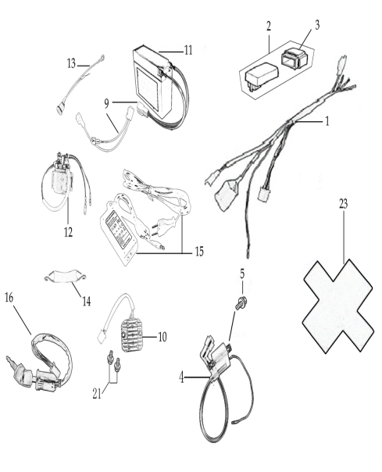
N° | Ref. | Description | Français | Picture | Qty/Bike | Model
1 | YC50-1501-02 | Wire harness 50CC 2020 waterproof L=570mm | Faisceaux éléctrique 50CC 2020 etanche L=570mm |  | 1 | 50A2023
20 | YC110-01-05-BK | Cable tie L=350mmBLACK | Collier maintien cable L=350mm NOIR |  | 1 | ALL BIKES 1223
 | YC50-1547-01 | Fuse 50A d6mmx30mm F15AL250V | Fusible YCF50A d6mmx30mm F15AL250V |  | 1 | 50A1423
2 | YC50-1503 | CDI Ignitor assy.50A | CDI 50A |  | 1 | 50A1222
4 | YC50-1504 | Ignitor coil L=130mm | bobine haute tension L=130mm |  | 1 | 50A1223
5 | GB5787-M6x16-W | HEXAGON Torx screw with Flange M6x16mm | Vis HEXAGONALE Torx avec Flange M6x16mm |  | 2 | ALL BIKES 23
9 | YC110-1517-03 | Battery cable L=200mm RED 2020 | Cable pour Chargeur Batterie L=200mm ROUGE 2020 |  | 1 | 50A23/S88SE22/S125SE22
9 | YC110-1516-05 | Battery cable L=230mm BLACK 2020 | Cable pour Chargeur Batterie L=230mm NOIR 2020 |  | 1 | 50A23/S88SE22/S125SE22/BFZ22022
10 | YC50-1502 | rectifier for 50CC | Rectificateur |  | 1 | 50A1223
...
12 | YC50-1510 | relay 50CC | Relais demarreur 50CC |  | 1 | 50A1223/S88SE1522/S125SE1522/BFZ2201822
13 | YC50-1513 | Charger connexion 50CC | Connection chargeur 50CC |  | 1 | 50A1323
14 | YC110-1508-03 | Rubber band battery holder assy | Bande caoutchouc pour maintien batterie complete |  | 1 | 50A1722/S88SE1622/S125SE1622/BFZ2201823
16 | YC110-0022-02 | Key contactor Waterproof | Contacteur a cle etanche |  | 1 | 50A1822/50E1822/W88E1822/S88SE1822/S125SE1822/BFZ2201823
17 | YC110-1531-04 | Key contactor bracket YCF50A/YCF50E Black | Support contacteur a cle YCF50A/YCF50E Noir |  | 1 | 50A1823/50E1823
 | YC110-1515-02 | Rubber protection charge plug 2020 | Caoutchouc protection prise chargeur 2020 |  | 1 | 50A1522/S88SE1522/S125SE1520/BFZ2201822
23 | YC110-1523-01 | Battery protection F88se/F125se 117mmx75mmx87mm | Protection Batterie F88se/F125se 117mmx75mmx87mm |  | 1 | 50A23/F88SE1522/F125se1520/BIGYZE222
 | YC110-1561 | Battriy cover with sticker | Couvre batterie avec sticker |  | 1 | 50A22/S88SE22/S125SE22/BFZ22023

Frame
 |  | 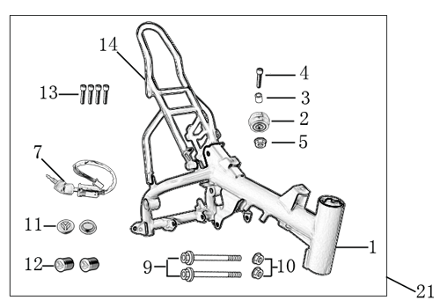
N° | Ref. | Description | Français | Picture | Qty/Bike | Model
1 | YC50-1622-05-BK | Complète frame YCF50A 2022 BLACK (with YC50-1211 2EA) for KRDIRECTION46, STEERING STEM 25° ANGLE | Cadre complet pour KRDIRECTION46, ANGLE POTENCE 25' NOIR |  | 1 | 50A23
2 | YC50-172-03-BK | YCF50 Frame BLACK +2°d46mm for KRDIRECTION46 | Cadre YCF50 NOIR ANGLE POTENCE 25°d46mm pour KRDIRECTION46 |  | 1 | 50A23
 | YC110-01-08-BK | Cable tie, PA66 L=80mm ADJUSTABLE BLACK | Collier maintien cable,PA66 L=80mm AJUSTABLE NOIR |  | 1 | ALL BIKES 23
2 | YC50-2201 | YCF Chain tensioner component （Middle 5.5mm)BLACK | roulette chaine YCF d35mmxd30mmx20mm(Milieu 5.5mm) Noir. |  | 1 | 50A23
 | GB70-M10x50x1.5W | HEXAGON SOCKET Head Bolt with half thread M10x50mmx1.5mm | Vis Allen (BTR) avec deport M10x50mmx1.5mm |  | 1 | 50A1223/50E1623
 | GB6187-M10-1.5-W | HEXAGON FLAT FLANGE LOCK NUT M10-1.5 | Ecrou HEXAGONAL avec Flange autobloquant M10-1.5 |  | 1 | 50A1223/50E1623
14 | YC50-16-04-BK | YCF50 Subframe part chromoly 2020 BLACK FOR 125cc 12V/3A Battery and new fixation | Boucle arriere YCF50 chromoly 2020 NOIRE pour Batterie 125cc 12V/3A et nouvelles fixations |  | 1 | 50A1923
 | YC110-1633-02 | Rubber plug for Subframe part 2020 YCF | Caoutchouc embout arriere boucle arriere YCF 2020 |  | 1 | 50A22/50E22/W88E22/S88SE22/L8822/L12522/S125SE22/S12522/SM12523
12 | BT08-M8x10-W | HEXAGON Torx screw with Flange M8x10mm | Vis HEXAGONALE Torx avec Flange M8x10mm |  | 4 | 50A23/50E23
...

